TestSummary
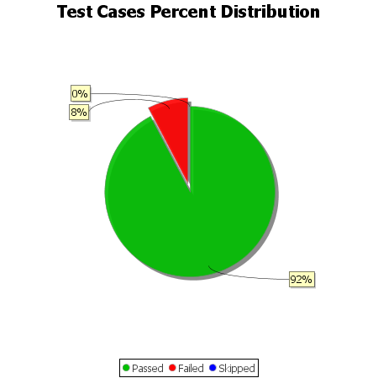
Total Test Cases | 13
Test Cases Passed | 12
Test Cases Failed | 1
Test Cases Skipped | 0

